Sheet2
Logo |  |  |  | Home | About Us | Contact Us

 |  |  |  | Search |  | ខ្មែរ /​English

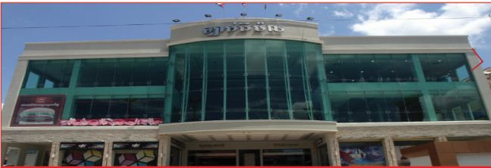
Home | Store Directory | Event & Promotion | Common Area Information | Information on Parking |  | Career

Fackbook |  | Common Area Information

 |  | With spacious and good location, (Ground Floor), (Ground Floor, First Floor). The space will be ideal for events and promotion activities. Lucky mall would like to inform you information of space for rent.

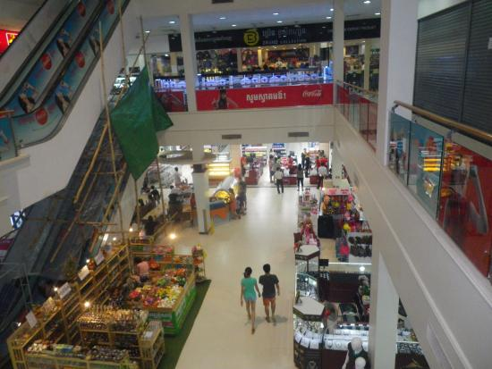 Video
 |  | Site Area : …………..
 |  | Height :………………

Home / Store Directory / Event& Promotion/ Common Area Information/Information on Parking/Career |  |  |  | @2016 luckymallco. All Right Reserved.

